Sheet1
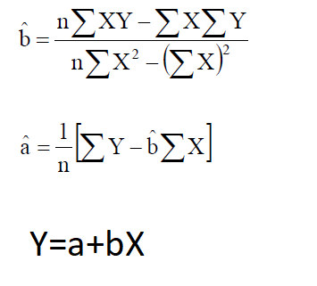
Customers in thousands | sales in million | X**2 | XY | Prediction | Error | Squared Error
6 | 1 | 36 | 6 | 5.34 | -4.34 | 18.8356
6.1 | 6 | 37.21 | 36.6 | 6.305 | -0.305 | 0.093025
6.2 | 8 | 38.44 | 49.6 | 7.27 | 0.73 | 0.5329
6.3 | 10 | 39.69 | 63 | 8.235 | 1.765 | 3.115225
6.5 | 11 | 42.25 | 71.5 | 10.165 | 0.835 | 0.697225
7.1 | 20 | 50.41 | 142 | 15.955 | 4.045 | 16.362025
7.6 | 21 | 57.76 | 159.6 | 20.78 | 0.22 | 0.0484
7.8 | 22 | 60.84 | 171.6 | 22.71 | -0.71 | 0.5041
8 | 23 | 64 | 184 | 24.64 | -1.64 | 2.6896
8.1 | 25 | 65.61 | 202.5 | 25.605 | -0.605 | 0.366025
69.7 | 147 | 492.21 | 1086.4 |  | -0.005 | 43.244125
4858.09 |  |  |  |  | mean squared error | 4.3244125 | 2.0795221807
 |  |  | 9.65
 |  |  | -52.5605
 |  |  | sales= customers * 9.65 -52.56

